Item Voids
Predictions: | Spider Chart (Actual vs. Expected)
VPC
VPI
IPC
Freq
Count
Value
% to Items

History: | 6 week trend of Outlier Chart showing activity
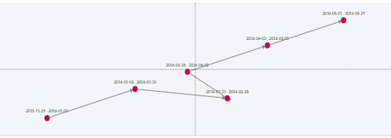
Detailed Visual Analysis: | Track Questions: (default by Store)
Tndr Break down | Item Voids by | Tender type
Location in Receipt | IV Location first quarter by | Cashier
 | IV Location last quarter by | Cashier
Max Cnt of Unique Token | Line Voids By | Token | Cashier | Token + Cashier
$ Range Break Down | High Dollar Line Voids by | Cashier
Dept # Split | Line Voids By | Dept #
Reason Codes | Line Voids By | Reason Code

